Coverpage


Capacity by Location
Region | Country | Location | Company | 2015 | 2016 | 2017 | 2018 | 2019 | 2020 | 2021E | 2022F | 2023F | 2024F | 2025F | 2026F | 2027F | 2028F | 2029F | 2030F
Asia Pacific | India | Silvassa, Dadra and Nagar Haveli | Orson Chemicals | 0.72 | 0.72 | 0.72 | 0.72 | 0.72 | 0.72 | 0.72 | 0.72 | 0.72 | 0.72 | 0.72 | 0.72 | 0.72 | 0.72 | 0.72 | 0.72
Asia Pacific | India | Pune, Maharashtra | Reichhold India Pvt. Ltd. | 0.36 | 0.36 | 0.36 | 0.36 | 0.36 | 0.36 | 0.36 | 0.36 | 0.36 | 0.36 | 0.36 | 0.36 | 0.36 | 0.36 | 0.36 | 0.36
Asia Pacific | India | Valsad, Gujarat | Moras Chemicals India Pvt. Ltd. | 0.36 | 0.36 | 0.36 | 0.36 | 0.36 | 0.36 | 0.36 | 0.36 | 0.36 | 0.36 | 0.36 | 0.36 | 0.36 | 0.36 | 0.36 | 0.36
Asia Pacific | India | Rajasthan | Innovative Resins Pvt. Ltd. | 1.20 | 1.20 | 1.20 | 1.20 | 1.20 | 1.20 | 1.20 | 1.20 | 1.20 | 1.20 | 1.20 | 1.20 | 1.20 | 1.20 | 1.20 | 1.20
Asia Pacific | India | Dombivli, Maharashtra | Mechemco resins pvt ltd | 0.40 | 0.40 | 0.40 | 0.40 | 0.40 | 0.40 | 0.40 | 0.40 | 0.40 | 0.40 | 0.40 | 0.40 | 0.40 | 0.40 | 0.40 | 0.40
Asia Pacific | India | Mumbai,Maharashtra | Satyen Polymers Pvt. Ltd. | 0.60 | 0.60 | 0.60 | 0.60 | 0.60 | 0.60 | 0.60 | 0.60 | 0.60 | 0.60 | 0.60 | 0.60 | 0.60 | 0.60 | 0.60 | 0.60
Asia Pacific | India | Faridabad, Harayana | Crystic Resins India Private Limited | 0.60 | 0.60 | 0.60 | 0.60 | 0.60 | 0.60 | 0.60 | 0.60 | 0.60 | 0.60 | 0.60 | 0.60 | 0.60 | 0.60 | 0.60 | 0.60
Asia Pacific | India |  | Others | 1.20 | 1.50 | 1.60 | 1.60 | 1.80 | 1.80 | 1.80 | 1.80 | 1.80 | 1.80 | 1.80 | 1.80 | 1.80 | 1.80 | 1.80 | 1.80
Asia Pacific | India |  | Total | 9.44 | 7.34 | 7.44 | 7.44 | 7.64 | 7.64 | 7.64 | 7.64 | 7.64 | 7.64 | 7.64 | 7.64 | 7.64 | 7.64 | 7.64 | 7.64
Asia Pacific | China | Jiangsu | INEOS Composites | 50.00 | 50.00 | 50.00 | 50.00 | 50.00 | 50.00 | 50.00 | 50.00 | 50.00 | 50.00 | 50.00 | 50.00 | 50.00 | 50.00 | 50.00 | 50.00
Asia Pacific | China | Shanghai | Sino Polymer | 20.00 | 20.00 | 20.00 | 20.00 | 20.00 | 20.00 | 20.00 | 20.00 | 20.00 | 20.00 | 20.00 | 20.00 | 20.00 | 20.00 | 20.00 | 20.00
Asia Pacific | China | Jiangsu | Eternal Chemical (China) Co., Ltd. | 10.00 | 10.00 | 10.00 | 10.00 | 10.00 | 10.00 | 10.00 | 10.00 | 10.00 | 10.00 | 10.00 | 10.00 | 10.00 | 10.00 | 10.00 | 10.00
Asia Pacific | China | Shanghai | SHOWA HIGH POLYMER SINGAPORE PTE LTD | 20.00 | 20.00 | 20.00 | 20.00 | 20.00 | 20.00 | 50.00 | 50.00 | 50.00 | 50.00 | 50.00 | 50.00 | 50.00 | 50.00 | 50.00 | 50.00
Asia Pacific | China | Jiangsu | Jinling AOC Resins Co., Ltd. | 70.00 | 70.00 | 70.00 | 70.00 | 70.00 | 70.00 | 70.00 | 70.00 | 70.00 | 70.00 | 70.00 | 70.00 | 70.00 | 70.00 | 70.00 | 70.00
Asia Pacific | China |  | Others | 24.28 | 24.28 | 24.28 | 24.28 | 24.28 | 24.28 | 24.28 | 24.28 | 24.28 | 24.28 | 24.28 | 24.28 | 24.28 | 24.28 | 24.28 | 24.28
Asia Pacific | China |  | Total | 184.28 | 184.28 | 184.28 | 184.28 | 184.28 | 184.28 | 214.28 | 214.28 | 214.28 | 214.28 | 214.28 | 214.28 | 214.28 | 214.28 | 214.28 | 214.28
Asia Pacific | Japan |  | DIC Corporation | 30.00 | 30.00 | 30.00 | 30.00 | 30.00 | 30.00 | 30.00 | 30.00 | 30.00 | 30.00 | 30.00 | 30.00 | 30.00 | 30.00 | 30.00 | 30.00
Asia Pacific | Japan | Kawasaki | SHOWA DENKO K.K. | 20.00 | 20.00 | 20.00 | 20.00 | 20.00 | 20.00 | 20.00 | 20.00 | 20.00 | 20.00 | 20.00 | 20.00 | 20.00 | 20.00 | 20.00 | 20.00
Asia Pacific | Japan |  | Others | 10.00 | 10.00 | 10.00 | 10.00 | 10.00 | 10.00 | 10.00 | 10.00 | 10.00 | 10.00 | 10.00 | 10.00 | 10.00 | 10.00 | 10.00 | 10.00
Asia Pacific | Japan |  | Total | 60.00 | 60.00 | 60.00 | 60.00 | 60.00 | 60.00 | 60.00 | 60.00 | 60.00 | 60.00 | 60.00 | 60.00 | 60.00 | 60.00 | 60.00 | 60.00
Asia Pacific | South Korea | Daedeok-gu, Daejeon | SEWON CHEMICAL | 3.00 | 3.00 | 3.00 | 3.00 | 3.00 | 3.00 | 3.00 | 3.00 | 3.00 | 3.00 | 3.00 | 3.00 | 3.00 | 3.00 | 3.00 | 3.00
Asia Pacific | South Korea |  | Others | 20.00 | 20.00 | 20.00 | 20.00 | 20.00 | 20.00 | 20.00 | 20.00 | 20.00 | 20.00 | 20.00 | 20.00 | 20.00 | 20.00 | 20.00 | 20.00
Asia Pacific | South Korea |  | Total | 23.00 | 23.00 | 23.00 | 23.00 | 23.00 | 23.00 | 23.00 | 23.00 | 23.00 | 23.00 | 23.00 | 23.00 | 23.00 | 23.00 | 23.00 | 23.00
Asia Pacific | Singapore | Sgx Centre 1 | SHOWA HIGH POLYMER SINGAPORE PTE LTD | 15.00 | 15.00 | 15.00 | 15.00 | 15.00 | 15.00 | 15.00 | 15.00 | 15.00 | 15.00 | 15.00 | 15.00 | 15.00 | 15.00 | 15.00 | 15.00
Asia Pacific | Singapore |  | Others | 5.00 | 5.00 | 5.00 | 5.00 | 5.00 | 5.00 | 5.00 | 5.00 | 5.00 | 5.00 | 5.00 | 5.00 | 5.00 | 5.00 | 5.00 | 5.00
Asia Pacific | Singapore | Gumi | Total | 20.00 | 20.00 | 20.00 | 20.00 | 20.00 | 20.00 | 20.00 | 20.00 | 20.00 | 20.00 | 20.00 | 20.00 | 20.00 | 20.00 | 20.00 | 20.00
Asia Pacific | Taiwan | Kaohsiung | Eternal Materials Co.,Ltd. Lu-Chu Plant | 20.00 | 20.00 | 20.00 | 20.00 | 20.00 | 20.00 | 20.00 | 20.00 | 20.00 | 20.00 | 20.00 | 20.00 | 20.00 | 20.00 | 20.00 | 20.00
Asia Pacific | Taiwan | Changhua | En Chuan Chemical Industries Co., Ltd. | 10.00 | 10.00 | 10.00 | 10.00 | 10.00 | 10.00 | 10.00 | 10.00 | 10.00 | 10.00 | 10.00 | 10.00 | 10.00 | 10.00 | 10.00 | 10.00
Asia Pacific | Taiwan | Nantou | Swancor Holding Co., LTD. | 60.00 | 60.00 | 60.00 | 60.00 | 70.00 | 70.00 | 70.00 | 70.00 | 70.00 | 70.00 | 70.00 | 70.00 | 70.00 | 70.00 | 70.00 | 70.00
Asia Pacific | Taiwan |  | Others | 15.00 | 15.00 | 15.00 | 15.00 | 15.00 | 15.00 | 15.00 | 15.00 | 15.00 | 15.00 | 15.00 | 15.00 | 15.00 | 15.00 | 15.00 | 15.00
Asia Pacific | Taiwan |  | Total | 105.00 | 105.00 | 105.00 | 105.00 | 115.00 | 115.00 | 115.00 | 115.00 | 115.00 | 115.00 | 115.00 | 115.00 | 115.00 | 115.00 | 115.00 | 115.00
Asia Pacific | Malaysia | Changshu, Jiangsu province | Eternal Materials（Malaysia）Sdn.Bhd. | 10.00 | 10.00 | 10.00 | 10.00 | 15.00 | 15.00 | 15.00 | 15.00 | 20.00 | 20.00 | 20.00 | 20.00 | 20.00 | 20.00 | 20.00 | 20.00
Asia Pacific | Malaysia |  | Others | 0.00 | 0.00 | 0.00 | 0.00 | 0.00 | 0.00 | 0.00 | 0.00 | 0.00 | 0.00 | 0.00 | 0.00 | 0.00 | 0.00 | 0.00 | 0.00
Asia Pacific | Malaysia |  | Total | 10.00 | 10.00 | 10.00 | 10.00 | 15.00 | 15.00 | 15.00 | 15.00 | 20.00 | 20.00 | 20.00 | 20.00 | 20.00 | 20.00 | 20.00 | 20.00
Asia Pacific | Rest of APAC |  | Total | 20.00 | 20.00 | 20.00 | 20.00 | 20.00 | 20.00 | 20.00 | 20.00 | 20.00 | 20.00 | 20.00 | 20.00 | 20.00 | 20.00 | 20.00 | 20.00
Asia Pacific | Asia Pacific |  | Total | 431.72 | 429.62 | 429.72 | 429.72 | 444.92 | 444.92 | 474.92 | 474.92 | 479.92 | 479.92 | 479.92 | 479.92 | 479.92 | 479.92 | 479.92 | 479.92
Europe | Germany | Marl | Ashland Global Holdings Inc. | 25.00 | 25.00 | 25.00 | 25.00 | 25.00 | 0.00 | 0.00 | 0.00 | 0.00 | 0.00 | 0.00 | 0.00 | 0.00 | 0.00 | 0.00 | 0.00
Europe | Germany | Marl | INEOS Composites | 0.00 | 0.00 | 0.00 | 0.00 | 0.00 | 30.00 | 30.00 | 30.00 | 30.00 | 30.00 | 30.00 | 30.00 | 30.00 | 30.00 | 30.00 | 30.00
Europe | Germany | Frankfurt | Allnex group | 20.00 | 20.00 | 20.00 | 20.00 | 20.00 | 20.00 | 20.00 | 20.00 | 20.00 | 20.00 | 20.00 | 20.00 | 20.00 | 20.00 | 20.00 | 20.00
Europe | Germany | Dusslinge | Reinhold GmbH | 20.00 | 20.00 | 20.00 | 20.00 | 20.00 | 20.00 | 20.00 | 20.00 | 20.00 | 20.00 | 20.00 | 20.00 | 20.00 | 20.00 | 20.00 | 20.00
Europe | Germany |  | Others | 10.00 | 10.00 | 10.00 | 10.00 | 10.00 | 10.00 | 10.00 | 10.00 | 10.00 | 10.00 | 10.00 | 10.00 | 10.00 | 10.00 | 10.00 | 10.00
Europe | Germany |  | Total | 75.00 | 75.00 | 75.00 | 75.00 | 75.00 | 80.00 | 80.00 | 80.00 | 80.00 | 80.00 | 80.00 | 80.00 | 80.00 | 80.00 | 80.00 | 80.00
Europe | France | Drocourt | Scott Bader Company Ltd. | 15.00 | 15.00 | 15.00 | 15.00 | 15.00 | 15.00 | 15.00 | 15.00 | 15.00 | 15.00 | 15.00 | 15.00 | 15.00 | 15.00 | 15.00 | 15.00
Europe | France |  | Others | 5.00 | 5.00 | 5.00 | 5.00 | 5.00 | 5.00 | 5.00 | 5.00 | 5.00 | 5.00 | 5.00 | 5.00 | 5.00 | 5.00 | 5.00 | 5.00
Europe | France |  | Total | 20.00 | 20.00 | 20.00 | 20.00 | 20.00 | 20.00 | 20.00 | 20.00 | 20.00 | 20.00 | 20.00 | 20.00 | 20.00 | 20.00 | 20.00 | 20.00
Europe | Italy | Monfalcone | Sino Polymer | 18.00 | 18.00 | 18.00 | 18.00 | 18.00 | 18.00 | 18.00 | 18.00 | 18.00 | 18.00 | 18.00 | 18.00 | 18.00 | 18.00 | 18.00 | 18.00
Europe | Italy | Brembate Sopra | Polynt S.p.A. | 5.00 | 5.00 | 5.00 | 5.00 | 5.00 | 5.00 | 5.00 | 5.00 | 5.00 | 5.00 | 5.00 | 5.00 | 5.00 | 5.00 | 5.00 | 5.00
Europe | Italy |  | Others | 0.00 | 0.00 | 0.00 | 0.00 | 0.00 | 0.00 | 0.00 | 0.00 | 0.00 | 0.00 | 0.00 | 0.00 | 0.00 | 0.00 | 0.00 | 0.00
Europe | Italy |  | Total | 23.00 | 23.00 | 23.00 | 23.00 | 23.00 | 23.00 | 23.00 | 23.00 | 23.00 | 23.00 | 23.00 | 23.00 | 23.00 | 23.00 | 23.00 | 23.00
Europe | Switzerland | Schaffhausen | AOC - Aliancys | 5.00 | 5.00 | 5.00 | 5.00 | 5.00 | 5.00 | 5.00 | 5.00 | 5.00 | 5.00 | 5.00 | 5.00 | 5.00 | 5.00 | 5.00 | 5.00
Europe | Switzerland |  | Others | 0.00 | 0.00 | 0.00 | 0.00 | 0.00 | 0.00 | 0.00 | 0.00 | 0.00 | 0.00 | 0.00 | 0.00 | 0.00 | 0.00 | 0.00 | 0.00
Europe | Switzerland |  | Total | 5.00 | 5.00 | 5.00 | 5.00 | 5.00 | 5.00 | 5.00 | 5.00 | 5.00 | 5.00 | 5.00 | 5.00 | 5.00 | 5.00 | 5.00 | 5.00
Europe | Netherlands | Ohio | Hexion Inc. | 30.00 | 30.00 | 30.00 | 30.00 | 30.00 | 30.00 | 30.00 | 30.00 | 30.00 | 30.00 | 30.00 | 30.00 | 30.00 | 30.00 | 30.00 | 30.00
Europe | Netherlands |  | Others | 0.00 | 0.00 | 0.00 | 0.00 | 0.00 | 0.00 | 0.00 | 0.00 | 0.00 | 0.00 | 0.00 | 0.00 | 0.00 | 0.00 | 0.00 | 0.00
Europe | Netherlands |  | Total | 30.00 | 30.00 | 30.00 | 30.00 | 30.00 | 30.00 | 30.00 | 30.00 | 30.00 | 30.00 | 30.00 | 30.00 | 30.00 | 30.00 | 30.00 | 30.00
Europe | Russia | Pisticci | Poliya | 15.00 | 15.00 | 15.00 | 15.00 | 15.00 | 15.00 | 15.00 | 15.00 | 15.00 | 15.00 | 15.00 | 15.00 | 15.00 | 15.00 | 15.00 | 15.00
Europe | Russia |  | Others | 0.00 | 0.00 | 0.00 | 0.00 | 0.00 | 0.00 | 0.00 | 0.00 | 0.00 | 0.00 | 0.00 | 0.00 | 0.00 | 0.00 | 0.00 | 0.00
Europe | Russia |  | Total | 15.00 | 15.00 | 15.00 | 15.00 | 15.00 | 15.00 | 15.00 | 15.00 | 15.00 | 15.00 | 15.00 | 15.00 | 15.00 | 15.00 | 15.00 | 15.00
Europe | United Kingdom |  | Scott Bader Company Ltd. | 20.00 | 20.00 | 20.00 | 20.00 | 20.00 | 20.00 | 20.00 | 20.00 | 20.00 | 20.00 | 20.00 | 20.00 | 20.00 | 20.00 | 20.00 | 20.00
Europe | United Kingdom |  | Others | 0.00 | 0.00 | 0.00 | 0.00 | 0.00 | 0.00 | 0.00 | 0.00 | 0.00 | 0.00 | 0.00 | 0.00 | 0.00 | 0.00 | 0.00 | 0.00
Europe | United Kingdom |  | Total | 20.00 | 20.00 | 20.00 | 20.00 | 20.00 | 20.00 | 20.00 | 20.00 | 20.00 | 20.00 | 20.00 | 20.00 | 20.00 | 20.00 | 20.00 | 20.00
Europe | Rest of Europe |  | Total | 40.00 | 40.00 | 40.00 | 40.00 | 40.00 | 40.00 | 40.00 | 40.00 | 40.00 | 40.00 | 40.00 | 40.00 | 40.00 | 40.00 | 40.00 | 40.00
Europe | Europe |  | Total | 208.00 | 208.00 | 208.00 | 208.00 | 208.00 | 213.00 | 213.00 | 213.00 | 213.00 | 213.00 | 213.00 | 213.00 | 213.00 | 213.00 | 213.00 | 213.00
North America | USA |  | INEOS Composites | 50.00 | 50.00 | 50.00 | 50.00 | 50.00 | 50.00 | 50.00 | 50.00 | 50.00 | 50.00 | 50.00 | 50.00 | 50.00 | 50.00 | 50.00 | 50.00
North America | USA | Houston | Polynt-Reichhold | 35.00 | 35.00 | 35.00 | 45.00 | 45.00 | 45.00 | 45.00 | 45.00 | 45.00 | 45.00 | 45.00 | 45.00 | 45.00 | 45.00 | 45.00 | 45.00
North America | USA |  | Interplastic Corporation | 20.00 | 20.00 | 20.00 | 20.00 | 20.00 | 20.00 | 20.00 | 20.00 | 20.00 | 20.00 | 20.00 | 20.00 | 20.00 | 20.00 | 20.00 | 20.00
North America | USA |  | AOC, LLC | 60.00 | 60.00 | 70.00 | 70.00 | 70.00 | 70.00 | 70.00 | 70.00 | 70.00 | 70.00 | 70.00 | 70.00 | 70.00 | 70.00 | 70.00 | 70.00
North America | USA |  | Ashland Global Holdings Inc. | 30.00 | 30.00 | 35.00 | 35.00 | 35.00 | 0.00 | 0.00 | 0.00 | 0.00 | 0.00 | 0.00 | 0.00 | 0.00 | 0.00 | 0.00 | 0.00
North America | USA |  | Others | 40.00 | 40.00 | 40.00 | 40.00 | 40.00 | 40.00 | 40.00 | 40.00 | 40.00 | 40.00 | 40.00 | 40.00 | 40.00 | 40.00 | 40.00 | 40.00
North America | USA |  | Total | 185.00 | 185.00 | 200.00 | 210.00 | 210.00 | 210.00 | 210.00 | 210.00 | 210.00 | 210.00 | 210.00 | 210.00 | 210.00 | 210.00 | 210.00 | 210.00
North America | Canada |  | Others | 5.00 | 5.00 | 5.00 | 5.00 | 5.00 | 5.00 | 5.00 | 5.00 | 5.00 | 5.00 | 5.00 | 5.00 | 5.00 | 5.00 | 5.00 | 5.00
North America | Canada |  | Total | 5.00 | 5.00 | 5.00 | 5.00 | 5.00 | 5.00 | 5.00 | 5.00 | 5.00 | 5.00 | 5.00 | 5.00 | 5.00 | 5.00 | 5.00 | 5.00
North America | Mexico |  | Others | 10.00 | 10.00 | 10.00 | 10.00 | 10.00 | 10.00 | 10.00 | 10.00 | 10.00 | 10.00 | 10.00 | 10.00 | 10.00 | 10.00 | 10.00 | 10.00
North America | Mexico |  | Total | 10.00 | 10.00 | 10.00 | 10.00 | 10.00 | 10.00 | 10.00 | 10.00 | 10.00 | 10.00 | 10.00 | 10.00 | 10.00 | 10.00 | 10.00 | 10.00
North America | North America |  | Total | 200.00 | 200.00 | 215.00 | 225.00 | 225.00 | 225.00 | 225.00 | 225.00 | 225.00 | 225.00 | 225.00 | 225.00 | 225.00 | 225.00 | 225.00 | 225.00
South America | Brazil |  | Others | 15.00 | 15.00 | 15.00 | 15.00 | 15.00 | 15.00 | 15.00 | 15.00 | 15.00 | 15.00 | 15.00 | 15.00 | 15.00 | 15.00 | 15.00 | 15.00
South America | Brazil |  | Total | 15.00 | 15.00 | 15.00 | 15.00 | 15.00 | 15.00 | 15.00 | 15.00 | 15.00 | 15.00 | 15.00 | 15.00 | 15.00 | 15.00 | 15.00 | 15.00
South America | Argentina |  | Total | 0.00 | 0.00 | 0.00 | 2.00 | 2.00 | 2.00 | 2.00 | 2.00 | 2.00 | 2.00 | 2.00 | 2.00 | 2.00 | 2.00 | 2.00 | 2.00
South America | Rest of SA |  | Total | 5.00 | 5.00 | 5.00 | 5.00 | 5.00 | 5.00 | 5.00 | 5.00 | 5.00 | 5.00 | 5.00 | 5.00 | 5.00 | 5.00 | 5.00 | 5.00
South America | South America |  | Total | 20.00 | 20.00 | 20.00 | 22.00 | 22.00 | 22.00 | 22.00 | 22.00 | 22.00 | 22.00 | 22.00 | 22.00 | 22.00 | 22.00 | 22.00 | 22.00
MEA | UAE | Dubai | Scott Bader Company Ltd. | 20.00 | 20.00 | 20.00 | 20.00 | 20.00 | 20.00 | 20.00 | 20.00 | 20.00 | 20.00 | 20.00 | 20.00 | 20.00 | 20.00 | 20.00 | 20.00
MEA | UAE |  | Others | 0.00 | 0.00 | 0.00 | 0.00 | 0.00 | 0.00 | 0.00 | 0.00 | 0.00 | 0.00 | 0.00 | 0.00 | 0.00 | 0.00 | 0.00 | 0.00
MEA | UAE |  | Total | 20.00 | 20.00 | 20.00 | 20.00 | 20.00 | 20.00 | 20.00 | 20.00 | 20.00 | 20.00 | 20.00 | 20.00 | 20.00 | 20.00 | 20.00 | 20.00
MEA | Saudi Arabia |  | Saudi Arabia Industria Resins Ltd. | 20.00 | 20.00 | 20.00 | 20.00 | 20.00 | 20.00 | 20.00 | 20.00 | 20.00 | 20.00 | 20.00 | 20.00 | 20.00 | 20.00 | 20.00 | 20.00
MEA | Saudi Arabia |  | Others | 8.00 | 8.00 | 8.00 | 8.00 | 8.00 | 8.00 | 8.00 | 8.00 | 8.00 | 8.00 | 8.00 | 8.00 | 8.00 | 8.00 | 8.00 | 8.00
MEA | Saudi Arabia |  | Total | 28.00 | 28.00 | 28.00 | 28.00 | 28.00 | 28.00 | 28.00 | 28.00 | 28.00 | 28.00 | 28.00 | 28.00 | 28.00 | 28.00 | 28.00 | 28.00
MEA | Turkey | Istanbul | Poliya | 15.00 | 15.00 | 15.00 | 15.00 | 15.00 | 15.00 | 15.00 | 15.00 | 15.00 | 15.00 | 15.00 | 15.00 | 15.00 | 15.00 | 15.00 | 15.00
MEA | Turkey |  | Others | 0.00 | 0.00 | 0.00 | 0.00 | 0.00 | 0.00 | 0.00 | 0.00 | 0.00 | 0.00 | 0.00 | 0.00 | 0.00 | 0.00 | 0.00 | 0.00
MEA | Turkey |  | Total | 15.00 | 15.00 | 15.00 | 15.00 | 15.00 | 15.00 | 15.00 | 15.00 | 15.00 | 15.00 | 15.00 | 15.00 | 15.00 | 15.00 | 15.00 | 15.00
MEA | Rest of MEA |  | Total | 20.00 | 20.00 | 20.00 | 20.00 | 20.00 | 20.00 | 20.00 | 20.00 | 20.00 | 20.00 | 20.00 | 20.00 | 20.00 | 20.00 | 20.00 | 20.00
MEA | MEA |  | Total | 83.00 | 83.00 | 83.00 | 83.00 | 83.00 | 83.00 | 83.00 | 83.00 | 83.00 | 83.00 | 83.00 | 83.00 | 83.00 | 83.00 | 83.00 | 83.00
Global | Global |  | Total | 942.72 | 940.62 | 955.72 | 967.72 | 982.92 | 987.92 | 1017.92 | 1017.92 | 1022.92 | 1022.92 | 1022.92 | 1022.92 | 1022.92 | 1022.92 | 1022.92 | 1022.92

 |  |  |  | 942.72 | 940.62 | 955.72 | 967.72 | 982.92 | 987.92 | 1017.92 | 1017.92 | 1022.92 | 1022.92 | 1022.92 | 1022.92 | 1022.92 | 1022.92 | 1022.92 | 1022.92
 |  | Swancor |  |  | https://www.scottbader.com/wp-content/uploads/3381_crystic-handbook-dec-05.pdf
 |  | Fuchem
 |  | Scott Bader
 |  | Showa Denko
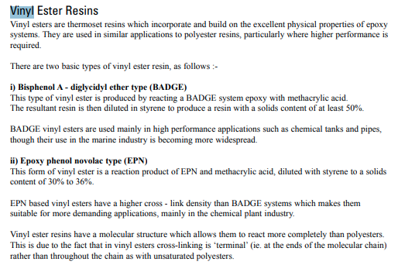
 |  | Reichhold
 |  | Aliancys
 |  | Changzhou Tianma Group
 |  | Polynt
 |  | Sino Polymer
 |  | AOC Resins
 |  | Allnex
 |  | Ashland
 |  | DSM
 |  | Interplastic Corporation
 |  | Hexion

VER Important Links
Paramater | Links
Olin | https://olinepoxy.com/wp-content/uploads/2019/01/Epoxy_Resins_Stewardship_Manual.pdf
Players | https://www.entrepreneurindia.co/single-book-pdf/project-profile-single-pdf.aspx?ID=7522
Company Share | https://www.prnewswire.com/news-releases/epoxy-resin-industry-2016---2019-forecasts-for-global-and-china-markets-275003921.html
Capacities | http://pdf.dfcfw.com/pdf/H3_AP201803291114112027_1.pdf
Production | https://www.entrepreneurindia.co/Document/Download/Production%20of%20Epoxy%20Resins%20-%20An%20Investment%20Opportunity.-988179-.pdf
Asahi Kasei | https://www.asahi-kasei.com/ir/library/presentation/pdf/140225eng.pdf
Hexion | https://investors.hexion.com/news-releases/news-release-details/hexion-inc-announces-waterborne-epoxy-coatings-capacity
Ashai kasei | https://www.plasteurope.com/news/MITSUBISHI_ASAHI_KASEI_t227735/
Market players | http://environmentclearance.nic.in/writereaddata/FormB/TOR/Additional_Attachments/16_May_2018_130521363V1G8E9F0Annexure-AdditionalDocuments.pdf
Capacities | https://www.icis.com/subscriber/icb/chemicalprofile?commodityId=10213&regionId=10007
Europe Capacities | https://www.icis.com/explore/resources/news/2018/10/04/10263759/chemical-profile-europe-epoxy-resins/
Global Demand | http://b2icontent.irpass.cc/1548/176550.pdf
Epoxy News | http://www.mrcplast.com/news-news_open-350518.html
Nan Ya | https://www.npc.com.tw/j2npc/enus/proddoc/Epoxy%20Resin/NAN%20YA%20EPOXY%20CATALOG?docid=F000000360&pdid=F00000036
South Korea | http://www.businesskorea.co.kr/news/articleView.html?idxno=18947#:~:text=With%20the%20expansion%2C%20its%20production,won%20(US%2452.45%20million).
Capacities | http://environmentclearance.nic.in/writereaddata/FormB/TOR/PFR/16_May_2018_130521350I868MUTYAnnexure-PFR.pdf
Indonesia | https://www.klkoleo.com/sites/default/files/OS20-The%20Profitability%20of%20the%20World%20Oleochemical%20Industry%20(PPT).pdf
Europe | https://epoxy-europe.eu/wp-content/uploads/2015/06/Epoxy_Socioeconomic_Study_Main_Findings_August-2017.pdf
Market | https://www.acmite.com/brochure/Brochure-Epoxy-Resin-Market-Report.pdf
Dow Capacity | https://www.reliableplant.com/Read/5710/dow-chemical-to-build-two-plants-in-shanghai,-china

VER | https://compresdev.co.uk/CRD%20The%20Use%20and%20Application%20of%20Epoxy%20Resin%20vs%20Vinylester%20vs%20Polyester.pdf
AOC- Alliancys | http://www.haythink.com/insights/detail.asp?ID=1547 https://www.compositesone.com/product/suppliers/polynt/
Swancor | https://in.finance.yahoo.com/quote/3708.TW/profile/
Sewon Chemical | https://swcl.tradekorea.com/company.do
CPP Branch
DIC-half-shared company | https://www.inkworldmagazine.com/contents/view_top-companies-report/2013-07-01/1-dic-corporation/
AOC China | https://aocresins.com/en-asia/contact/locations/asia-pacific/china/
Scott Bader | https://www.scottbader.com/corporate/global-offices/scott-bader-france/
Showa Denko | http://www.shps.com.sg/ripoxy/aboutripoxy

Eternal Materials Co.,Ltd. Lu-Chu Plant | https://www.eternal-group.com/Global/GlobalProductIndex?Lang=en
Eternal Chemical (China) Co., Ltd. | https://www.eternal-group.com/Global/GlobalProductIndex?AreaID=60&type=1&lang=en

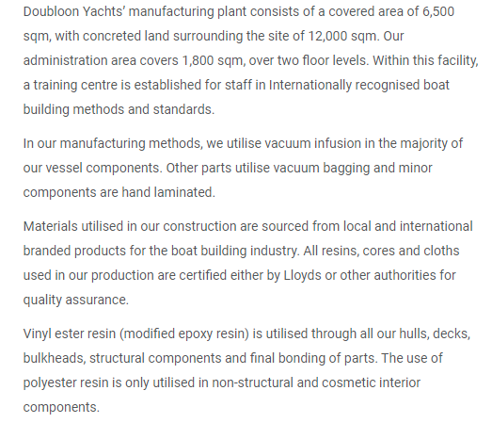

 | http://www.aypolspolymers.com/vinyl-ester-resin-4744990.html

 | https://www.ineos.com/news/shared-news/ineos-completes-the-acquisition-of-the-ashland-composites-business/

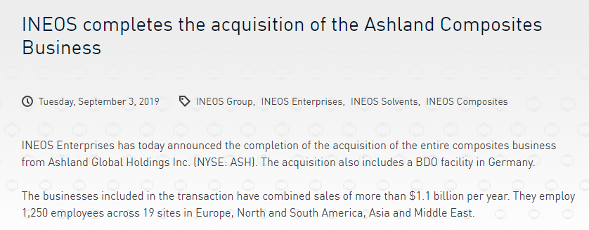

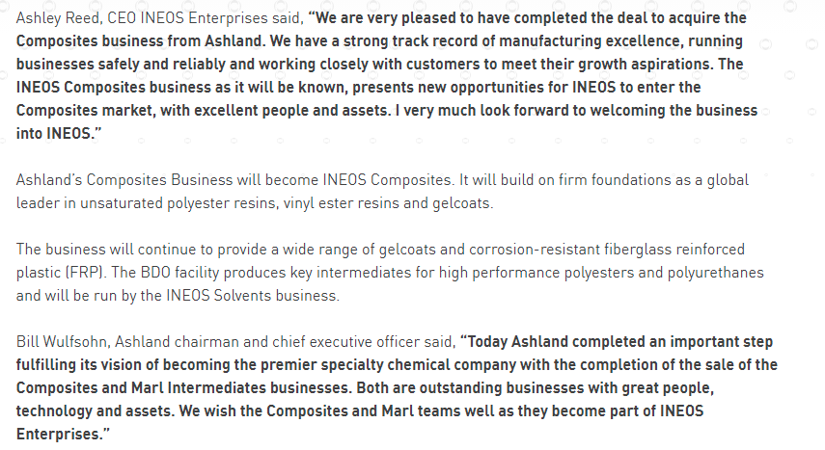

 | http://www.sinopolymer.cn/Current_Partners/45.html

 | http://www.reichhold.com/en/company-locations.aspx

 | https://www.businesswire.com/news/home/20150727006094/en/Hexion-Inc.-Announces-Successful-Restart-of-VeoVa%E2%84%A2-Vinyl-Ester-Plant-in-Moerdijk-Netherlands

 | https://www.poliya.com/en/contact-information

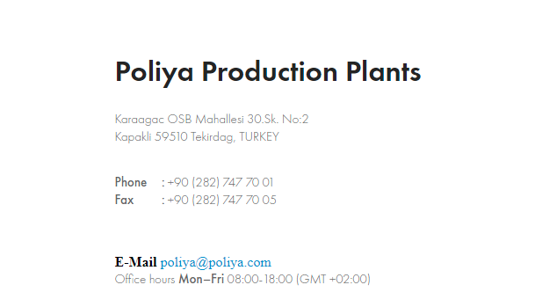

 | https://www.compositesworld.com/news/brazilian-composites-sector-shows-third-consecutive-year-of-growth-

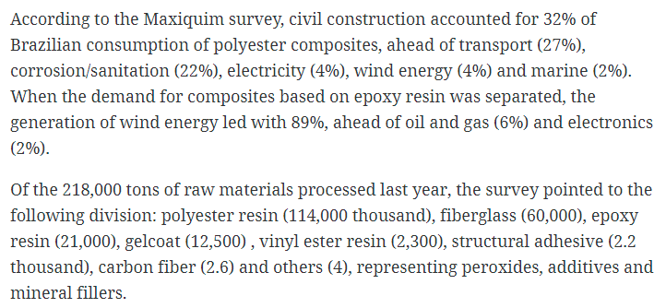

 | https://coek.info/pdf-brazil-offers-good-potential-for-composites-.html

 | https://www.polynt.com/wp-content/uploads/2019/12/Brochure-Polynt-Reichhold-Corporate.pdf
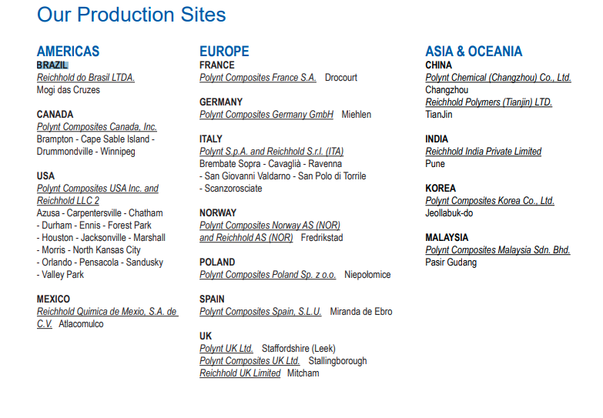

 | https://www.scottbader.com/corporate/global-offices/scott-bader-middle-east/

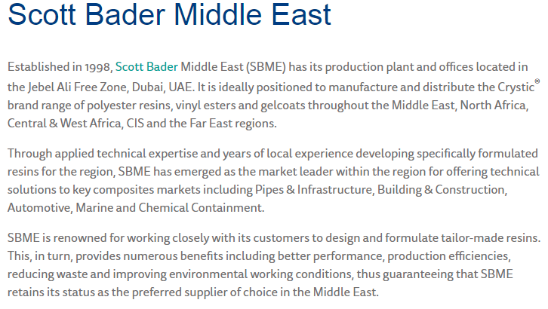

 | https://www.scottbader.com/corporate/global-offices/scott-bader-croatia/

 | https://totalenergies.com/media/news/press-releases/ccp-composites-and-polynt-group-combine-form-global-no-3-composite-resins



 | https://www.degruyter.com/document/doi/10.1515/revce-2014-0012/html

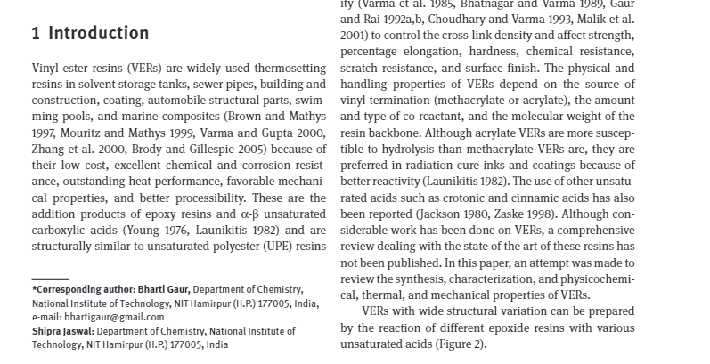

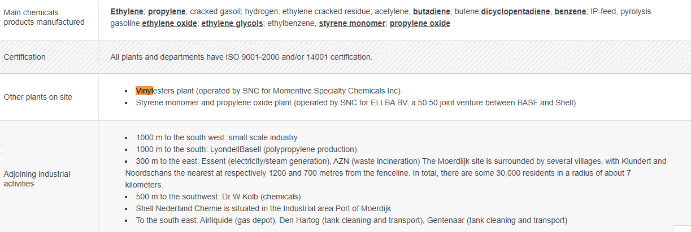

 | http://environmentclearance.nic.in/writereaddata/FormB/EC/FORM_1/20082016BUXU5QA5FormIPrimePolymers.pdf

 | https://www.atul.co.in/pdf/Atul%20environmental%20clearance%20for%20expansion%202019.pdf

 | https://www.sdk.co.jp/english/news/2020/38557.html

 | https://www.acnnewswire.com/press-release/english/59580/sdk-group-completes-expansion-of-lines-to-produce-vinyl-ester-resin-and-synthetic-resin-emulsion-in-shanghai

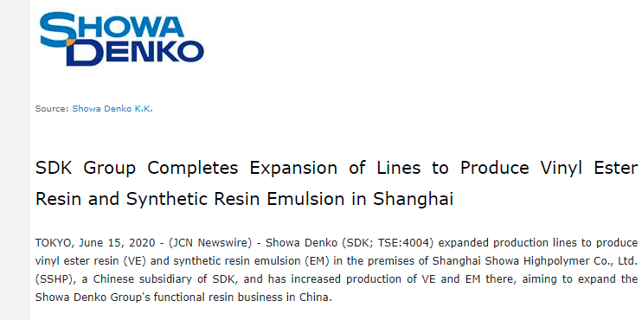

 | https://www.poliya.com/en/distributors

About Us & Disclaimer
